Sheet1
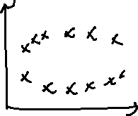
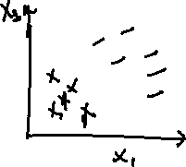


Support Vector Machines - SVM (highly advanced algorithm)
Key points to remember It is a stable algorithm with High Precision Rate. It maintain a maximum margin separation between the classes. Ie., class A and class B. It is actually working with neural network concept and because of that the training time is more. It is comptationally expensive.

Understanding SVM in 2 persperctives 1. Linearly separable datapoints - where I can draw a straight line to separate the classes 2. Non-linearly separable datapoints - where I cannot draw a straight line to separate between the classes. | \\\\\\\\\\\\\\\\

1. SVM for linearly separable datapoints When this condition wx+b = 0, wx+b=-1,wx+b= +1 is satisified, we are able to say that all the classes of A and all the classes of B are seggregated with a maximum marginal separation. If not, we are not unable to make the best seggregation and until that we have to work on w and b.

2. SVM for non-linearly separable datapoints Kernel trick The process of separating a non-separale data into a separable format, we call it as Kernel trick. Different Kernel Tricks 1. Linear Kernel - linear 2. Polynomial Kernel - poly 3. Radial Kernel - Radial basis function - rbf
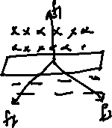
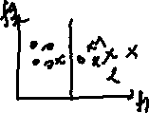
Objective of SVM is to find the hyperplane in an N dimensional space. Ie., N- no.of features Note 1D - we call it as a Regression line. 2D - we call it as a straight line. 3D or higher dimension - we call it as a Hyperplane

Terminology in SVM 1. Support Vectors - The points which are passing through the marginal hyperplane. 2. Hyperplanes - the planes/decision boundary that is used to divide two or more classes. 3. Marginal Distance - The 2 parallel lines Im creating wrt the most +ve and -ve classes and the distance between them. 4. Linearly separable - where I can draw a straight line to separate the classes 5. Non-linearly separable - where I cannot draw a straight line to separate the classes.

Point to Remember SVM is not just creating 1 hyperplane but it make sure that when it is creating a hyperplane, apart from that it creates 2 margin line and the 2 margin lines will have some distance so that it can easily linearly separable the classes.

Major Goal of SVM To select the best hyperplance which has, 1.Larger Margin size 2. Lower Misclassification/error rate
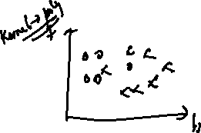

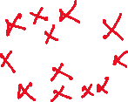
2 Hyperparameters for Non-linearly separable data points - c and gamma Why we need to tweak c and gamma? Because SVM will function to its best when wer have a clear classification boundary. What does c signifies? c - to control the error/misclassified points If c is small - gives lower weightage to the misclassified points incresing the marginal boundary. If c is large - gives higher weightage to the misclassified points with smaller marginal boundary. Note: If c is too high - it result in Overfitting problem. What does gamma signifies? gamma - the curvature weight of the decision boundary If gamma is low - it indicates a larger similarity distance which results in more points being grouped together. It includes all the points of the training dataset without really capturing the shape. If gamma is high - the points need to be very close to each other inorder to be considered in the same group. the model will capture the shape of the dataset well

